Plate1
Sample Sheet (v1.03)
 | SCellex order number
 | Customer contact name

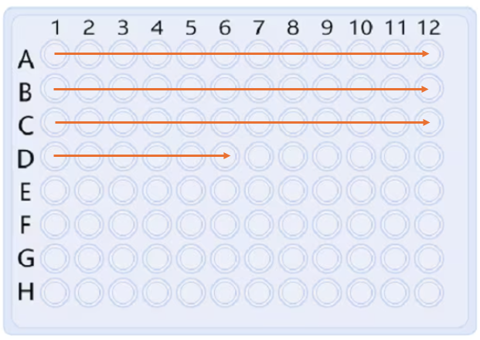
Sample ID may not contain any special characters (white space, .+!"#¤%&?/ or ÄÖÅ etc.).Use "_" or "-" as a separator if needed. Sample names must be unique (not 1, 2, 3 etc) and cannot start with a 0. Alphanumeric sample names are recommended instead of only numeric sample names. If you use consecutive numbers, please mark them as follows: 001, 002, 003 etc. |  |  |  |  | Please fill in the plates with FULL ROWs, starting from A1-> A12, B1->B12 etc
PLATE 1
Well | Sample ID | Comments (additional info) | concentration [ng/µl] | volume [µl]
A1
A2
A3
A4
A5
A6
A7
A8
A9
A10
A11
A12
B1
B2
B3
B4
B5
B6
B7
B8
B9
B10
B11
B12
C1
C2
C3
C4
C5
C6
C7
C8
C9
C10
C11
C12
D1
D2
D3
D4
D5
D6
D7
D8
D9
D10
D11
D12
E1
E2
E3
E4
E5
E6
E7
E8
E9
E10
E11
E12
F1
F2
F3
F4
F5
F6
F7
F8
F9
F10
F11
F12
G1
G2
G3
G4
G5
G6
G7
G8
G9
G10
G11
G12
H1
H2
H3
H4
H5
H6
H7
H8
H9
H10
H11
H12

